Sheet1
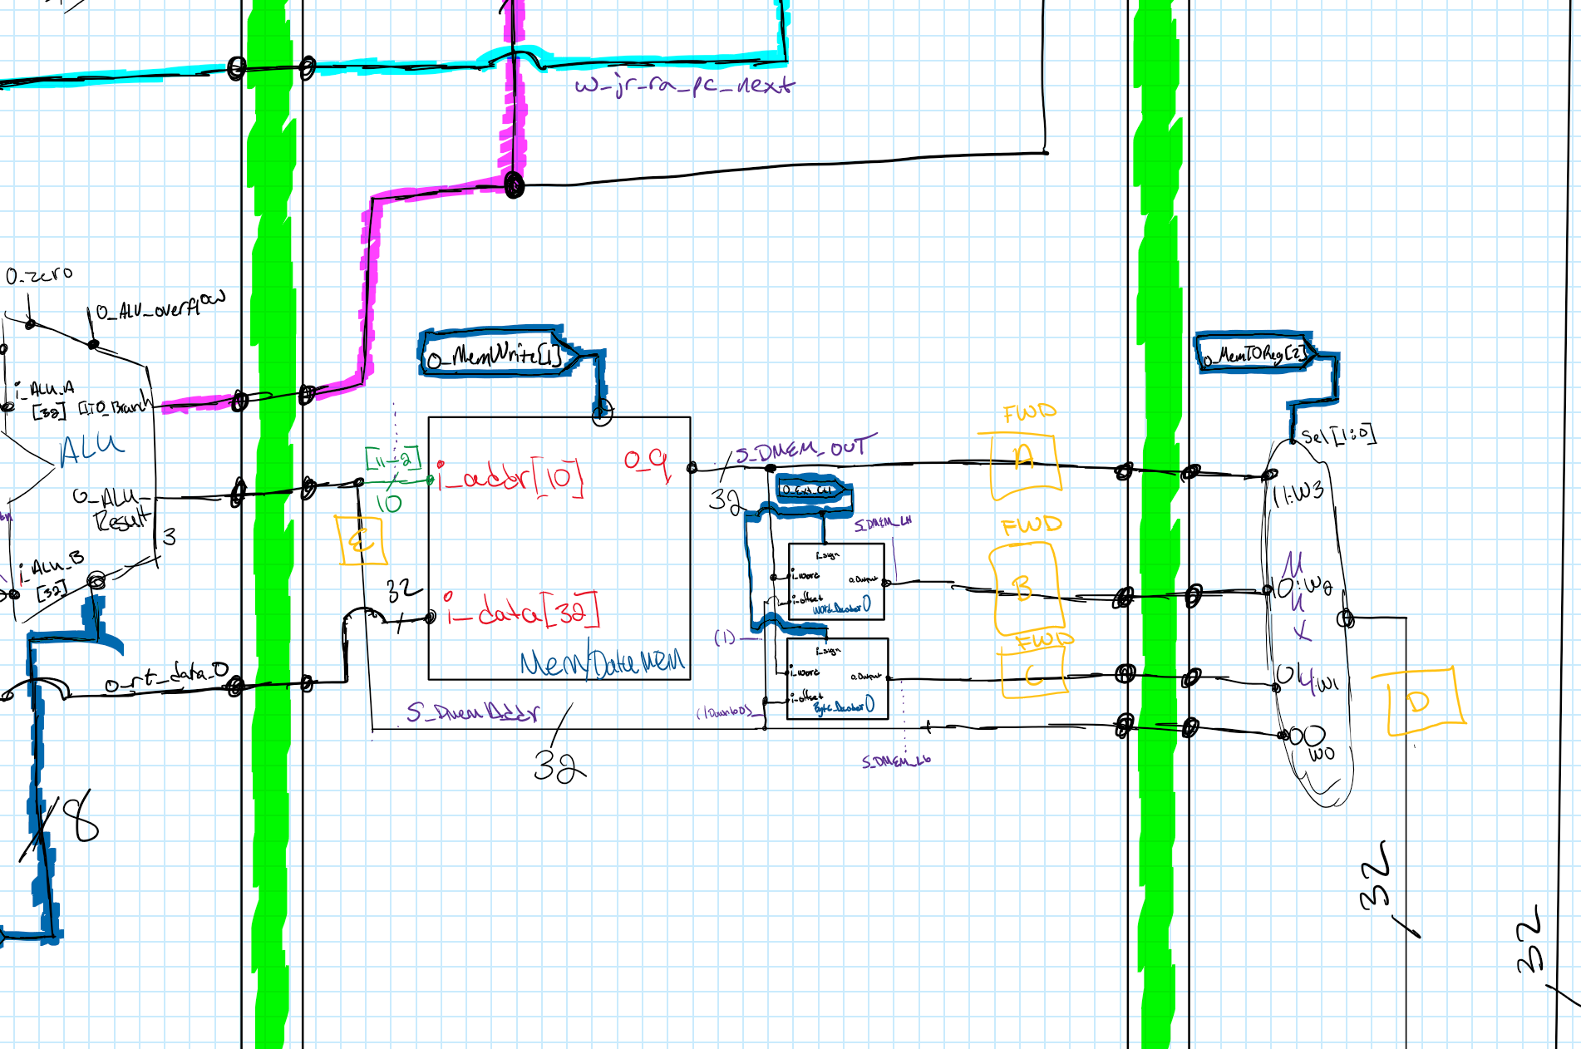
Producer And Consumer Chart
Intruction | Producer | Signal Where Produced | Stage Produced In / FWD From | Stages Can Be Forward From (Check Drawing For Letter Key) | Consumer | Signal #1 Where Value Is Consumed | Stage Consumed In #1 | Signal #2 Where Value Is Consumed2 | Stage Consumed In #2
add | yes | S_Dmem_Addr | MEM | (MEM) E |D (WB) | yes | w_EX_mux7_alu_rtn | EX | w_EX_mux1_alu_rtn | EX
addi | yes | S_Dmem_Addr | MEM | (MEM) E |D (WB) | yes | w_EX_mux7_alu_rtn | EX | N/A | N/A
addiu | yes | S_Dmem_Addr | MEM | (MEM) E |D (WB) | yes | w_EX_mux7_alu_rtn | EX | N/A | N/A
addu | yes | S_Dmem_Addr | MEM | (MEM) E |D (WB) | yes | w_EX_mux7_alu_rtn | EX | w_EX_mux1_alu_rtn | EX
and | yes | S_Dmem_Addr | MEM | (MEM) E |D (WB) | yes | w_EX_mux7_alu_rtn | EX | w_EX_mux1_alu_rtn | EX
andi | yes | S_Dmem_Addr | MEM | (MEM) E |D (WB) | yes | w_EX_mux7_alu_rtn | EX | N/A | N/A
lui | yes | S_Dmem_Addr | MEM | (MEM) E |D (WB) | no | N/A | N/A | N/A | N/A
lw | yes | S_Dmem_Out | MEM | (MEM) A |D (WB) | yes | w_EX_mux7_alu_rtn | EX | N/A | N/A
nor | yes | S_Dmem_Addr | MEM | (MEM) E |D (WB) | yes | w_EX_mux7_alu_rtn | EX | w_EX_mux1_alu_rtn | EX
xor | yes | S_Dmem_Addr | MEM | (MEM) E |D (WB) | yes | w_EX_mux7_alu_rtn | EX | w_EX_mux1_alu_rtn | EX
xori | yes | S_Dmem_Addr | MEM | (MEM) E |D (WB) | yes | w_EX_mux7_alu_rtn | EX | N/A | N/A
or | yes | S_Dmem_Addr | MEM | (MEM) E |D (WB) | yes | w_EX_mux7_alu_rtn | EX | w_EX_mux1_alu_rtn | EX
ori | yes | S_Dmem_Addr | MEM | (MEM) E |D (WB) | yes | w_EX_mux7_alu_rtn | EX | N/A | N/A
slt | yes | S_Dmem_Addr | MEM | (MEM) E |D (WB) | yes | w_EX_mux7_alu_rtn | EX | w_EX_mux1_alu_rtn | EX
slti | yes | S_Dmem_Addr | MEM | (MEM) E |D (WB) | yes | w_EX_mux7_alu_rtn | EX | N/A | N/A
sll | yes | S_Dmem_Addr | MEM | (MEM) E |D (WB) | yes | w_EX_mux1_alu_rtn | EX | N/A | N/A
srl | yes | S_Dmem_Addr | MEM | (MEM) E |D (WB) | yes | w_EX_mux1_alu_rtn | EX | N/A | N/A
sra | yes | S_Dmem_Addr | MEM | (MEM) E |D (WB) | yes | w_EX_mux1_alu_rtn | EX | N/A | N/A
sw | no | N/A | N/A | N/A | yes | w_EX_mux7_alu_rtn | EX | N/A | N/A
sub | yes | S_Dmem_Addr | MEM | (MEM) E |D (WB) | yes | w_EX_mux7_alu_rtn | EX | w_EX_mux1_alu_rtn | EX
subu | yes | S_Dmem_Addr | MEM | (MEM) E |D (WB) | yes | w_EX_mux7_alu_rtn | EX | w_EX_mux1_alu_rtn | EX
beq | no | N/A | N/A | N/A | yes | w_EX_mux7_alu_rtn | EX | w_EX_mux1_alu_rtn | EX
bne | no | N/A | N/A | N/A | yes | w_EX_mux7_alu_rtn | EX | w_EX_mux1_alu_rtn | EX
j | no | N/A | N/A | N/A | no | N/A | N/A | N/A | N/A
jal | yes | s_IF_pc_p4 | IF | (IF) F | no | N/A | N/A | N/A | N/A
jr | no | N/A | N/A | N/A | yes | s_ID_rs_data_o | EX | N/A | N/A
lb | yes | s_MEM_Dmem_Lb | MEM | (MEM) C |D (WB) | yes | w_EX_mux7_alu_rtn | EX | N/A | N/A
lh | yes | s_MEM_Dmem_Lh | MEM | (MEM) A |D (WB) | yes | w_EX_mux7_alu_rtn | EX | N/A | N/A
lbu | yes | s_MEM_Dmem_Lb | MEM | (MEM) C |D (WB) | yes | w_EX_mux7_alu_rtn | EX | N/A | N/A
lhu | yes | s_MEM_Dmem_Lh | MEM | (MEM) A |D (WB) | yes | w_EX_mux7_alu_rtn | EX | N/A | N/A
sllv | yes | S_Dmem_Addr | MEM | (MEM) E |D (WB) | yes | w_EX_mux7_alu_rtn | EX | w_EX_mux1_alu_rtn | EX
srlv | yes | S_Dmem_Addr | MEM | (MEM) E |D (WB) | yes | w_EX_mux7_alu_rtn | EX | w_EX_mux1_alu_rtn | EX
srav | yes | S_Dmem_Addr | MEM | (MEM) E |D (WB) | yes | w_EX_mux7_alu_rtn | EX | w_EX_mux1_alu_rtn | EX
halt | no | N/A | N/A | N/A | no | N/A | N/A | N/A | N/A

Instruction | Equation | time stamp
load word | (i_EX_opcode = "101011") and ((i_EX_Reg_Rt = i_MEM_Reg_Dst) and (i_MEM_WE = '1') and (i_MEM_opcode = "100011")) | ~340ns
load half word | (i_EX_opcode = "101011") and ((i_EX_Reg_Rt = i_MEM_Reg_Dst) and (i_MEM_WE = '1') and ((i_MEM_opcode = "100000") or (i_MEM_opcode = "100100"))) | ~400ns
load half word unsigned | (i_EX_opcode = "101011") and ((i_EX_Reg_Rt = i_MEM_Reg_Dst) and (i_MEM_WE = '1') and ((i_MEM_opcode = "100000") or (i_MEM_opcode = "100100"))) | ~460ns
Instruction | Time stamp
bne | ~60ns
jal | ~140ns
jr | ~220ns
beq | ~400ns
jump | ~480ns

